CONNECTORS
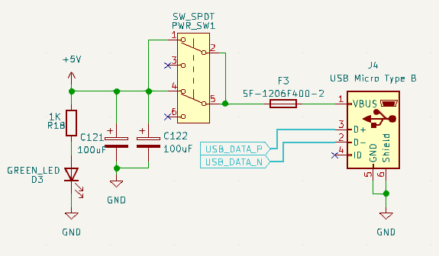
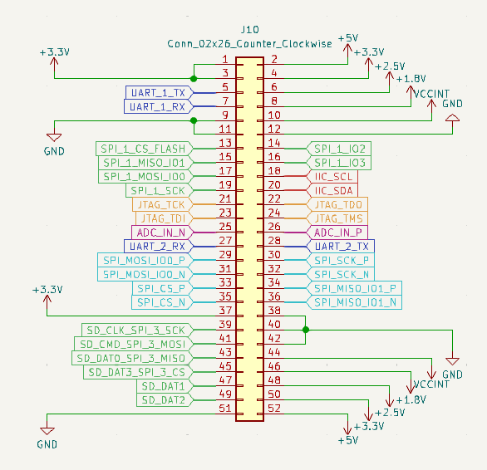
Connector | Interface | Available | Signal | Description
PC/104 52-pin header 02 x 26 1mm hole diameter | JTAG | YES | JTAG_TDI | TDI
 |  |  | JTAG_TDO | TDO
 |  |  | JTAG_TMS | TMS
 |  |  | JTAG_TCK | TCK
 | ADC | YES | ADC_IN_P | Positive diferential analog input
 |  |  | ADC_IN_N | Negative diferential analog input
 | UART 1 | YES | UART_1_RX | RX
 |  |  | UART_1_TX | TX
 | UART 2 | YES | UART_2_RX | RX
 |  |  | UART_2_TX | TX
 | SD_SPI / 4_BIT_SD_BUS | YES | SD_CLK_SPI_3_SCK | SCK / CLK ( 4_BIT_SD_BUS)
 |  |  | SD_CMD_SPI_3_MOSI | MOSI / CMD ( 4_BIT_SD_BUS)
 |  |  | SD_DAT0_SPI_3_MISO | MISO / DAT0 ( 4_BIT_SD_BUS)
 |  |  | SD_DAT3_SPI_3_CS | CS / DAT3 ( 4_BIT_SD_BUS)
 |  |  | SD_DAT1 | DAT1 ( 4_BIT_SD_BUS)
 |  |  | SD_DAT2 | DAT2 ( 4_BIT_SD_BUS)
 | IIC | YES | IIC_SDA | SDA
 |  |  | IIC_SCL | SCL
 | QSPI (NOR flash) | YES | SPI_1_SCK | SCK
 |  |  | SPI_1_MOSI_IO0 | IO0
 |  |  | SPI_1_MISO_IO1 | IO1
 |  |  | SPI_1_IO2 | IO2
 |  |  | SPI_1_IO3 | IO3
 |  |  | SPI_1_CS_FLASH | CS
 | SPI (Unused) | NO | SPI_2_SCK | SCK
 |  |  | SPI_2_MOSI_IO0 | MOSI
 |  |  | SPI_2_MISO_IO1 | MISO
 |  |  | SPI_2_CS | CS
 | ADC | NO | ADC_P_1 | Analog input
 |  |  | ADC_P_2 | Analog input
 |  |  | ADC_P_3 | Analog input
 |  |  | ADC_P_4 | Analog input
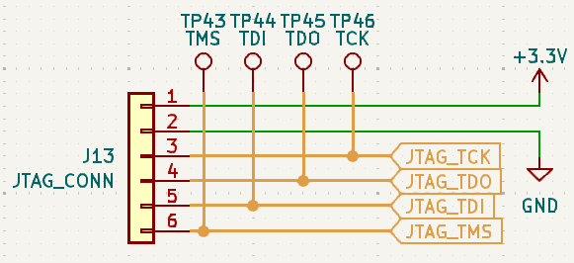
 | SPI LVDS | YES | SPI_SCK_P | Positive LVDS SCK input
 |  |  | SPI_SCK_N | Negative LVDS SCK input
 |  |  | SPI_MOSI_IO0_P | Positive LVDS MOSI input
 |  |  | SPI_MOSI_IO0_N | Negative LVDS MOSI input
 |  |  | SPI_MISO_IO1_P | Positive LVDS MISO output
 |  |  | SPI_MISO_IO1_N | Negative LVDS MISO output
 |  |  | SPI_CS_P | Positive LVDS CS input
 |  |  | SPI_CS_N | Negative LVDS CS input
 | LVDS CLK | NO | SYS_CLK_P | Positive LVDS CLK input
 |  |  | SYS_CLK_N | Negative LVDS CLK input
 | POWER RAILS | YES | 5V | 5v USB input
 |  |  | 3,3V | 3,3v power rail
 |  |  | 2,5V | 2,5v power rail
 |  |  | 1,8V | 1,8v power rail
 |  |  | 1V | VCCINT power rail
 |  |  | GND | Ground
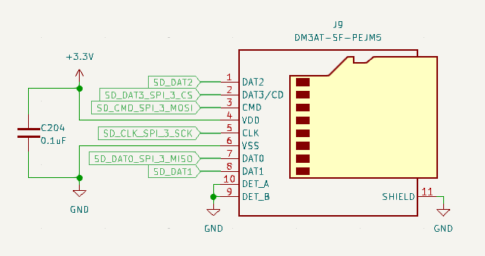
 | USB | NO | USB_DATA_P | DATA+
 |  |  | USB_DATA_N | DATA-
JTAG 6-pin header 01 x 06 1mm hole diameter | JTAG | YES | JTAG_TDI | TDI
 |  |  | JTAG_TDO | TDO
 |  |  | JTAG_TMS | TMS
 |  |  | JTAG_TCK | TCK
SD card connector | SD_SPI / 4_BIT_SD_BUS | YES | SD_CLK_SPI_3_SCK | SCK / CLK ( 4_BIT_SD_BUS)
 |  |  | SD_CMD_SPI_3_MOSI | MOSI / CMD ( 4_BIT_SD_BUS)
 |  |  | SD_DAT0_SPI_3_MISO | MISO / DAT0 ( 4_BIT_SD_BUS)
 |  |  | SD_DAT3_SPI_3_CS | CS / DAT3 ( 4_BIT_SD_BUS)
 |  |  | SD_DAT1 | DAT1 ( 4_BIT_SD_BUS)
 |  |  | SD_DAT2 | DAT2 ( 4_BIT_SD_BUS)
USB MICRO-B | USB | YES | USB_DATA_P | DATA+
 |  |  | USB_DATA_N | DATA-

TESTING
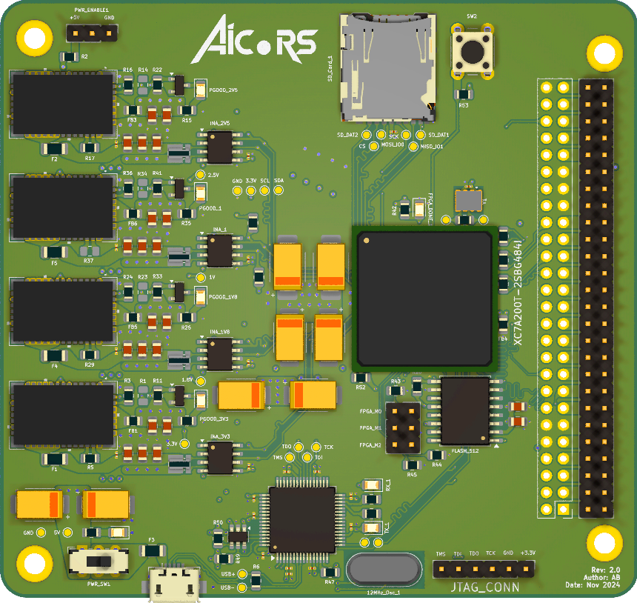
Test category | Tasks | Description | Used tool | Test successful | Tested boards | Passed boards | Notes
Mechanical | Check general integrity | look if all the connectors are propperly soldered | (2-4) Eyes | YES | A, B | A, B
 |  | no solder droplets stuck on the board |  | YES | A, B | A, B
 |  | check if USB connector plug is ok |  | YES | A, B | A, B
 |  | check if SD-card slot is ok |  | YES | A, B | A, B
 |  | check button is functional |  | YES | A, B | A, B
 |  | check switch is functional |  | YES | A, B | A, B
 |  | check PCB height |  | YES | A, a | A, a | final design height should be 1.6mm ±0.1mm 1,6mm - height of PCB
 |  | check max height of components |  | YES | A | A | component height should be no higher than 5mm following heights include board height: 4,5mm - power regulators 5mm - 680uF capacitors 3,4mm - 100uF capacitors 12,5mm - PC/104 connector - female/male side 4mm - NOR flash
 |  | check no missing components |  | YES | A | A
 | Check weight | check weight of the board | Scale | YES | A | A | 59g +/- 1g
Thermal | Check static temperature | temperature of the LDOs | IR camera | NO
 |  | temperature of the FPGA |  | NO
 | Check temps during maximum utilization | temperature of the LDOs during maximum rated current draw |  | NO
 |  | temperature of the FPGA during intense design implementation | IR camera Internal registers | NO
 | Check temps in vacuum? | put the board in a vacuum chamber (if available) and check thermal distribution within the board | IR camera | NO
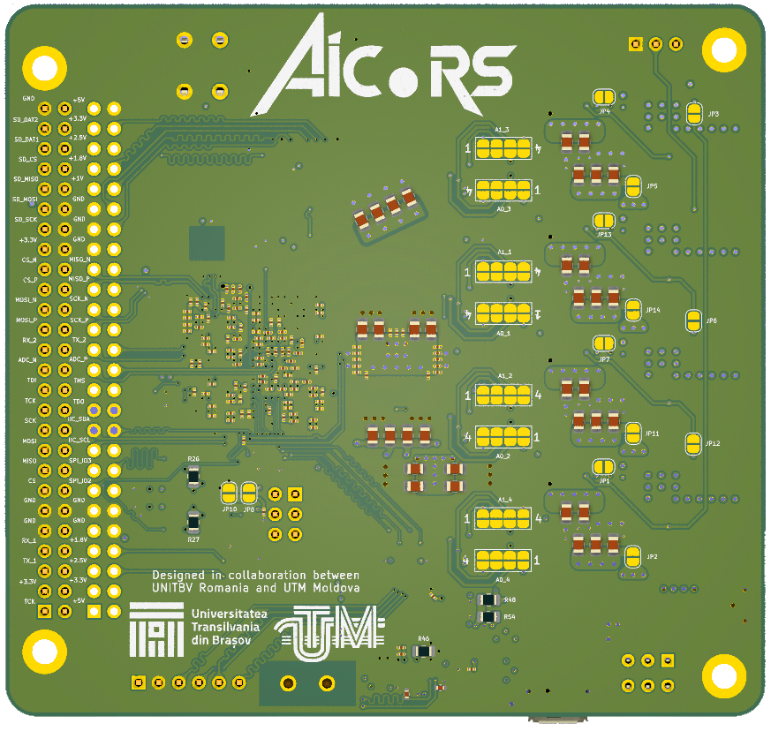
Power | Chack static power draw | power draw of the whole board | USB power meter | YES | A | A | made oscilloscope photos 5,105V - measured with USBmeter - with board OFF 5,047V - measured with USBmeter - under NO load 4,968V - measured with oscilloscope - under NO load 0,300A@5V - measured with USBmeter - under NO load 0,311A@5V - measured with USBmeter - spike when enabling the LDOs 0,016A@5V - measured with USBmeter - witho LODs OFF (possibly just the LED) 1,580W - measured with USBmeter - under NO load 3,256V - measured with oscilloscope at 3,3V TP - with 470R 2,516V - measured with oscilloscope at 2,5V TP 1,810V - measured with oscilloscope at 1,8V TP 0,996V - measured with oscilloscope at 1V TP
 |  | power draw of the fpga | INAs | YES | B | B
 |  | power draw of each voltage level | INAs | YES | A, B | A, B | 3,187V - measured with 3.3V INA through Arduino Uno 2,465V - measured with 2.5V INA through Arduino Uno 1,773V - measured with 1.8V INA through Arduino Uno 0,973V - measured with 1V INA through Arduino Uno 0,479W - total power draw measured with INAs through Arduino Uno
 | Check power draw during maximum utilization | short LDOs to groung using resistors and check rated power draw | Multimeter | YES | A | A | a resistor should be soldered from power output jumper to a ground source a propper resistance value must be calculated for maximum power draw as the regulator can output 3A at 3,3V, a ~10w resistor is required if one isnt available, multiple resistors tied in parallel should work 20ohm were connected between 3,3V and GND: 2,135W - measured with USBmeter the power consumed inscreased by 0,5W (as expected)
 |  | power draw of the FPGA during intense design implementation | INAs | YES | B | B | aicors_stress_test see POWER tab
Functionality | Check power LEDs | main power-on LED | - | YES | A, B | A, B
 |  | connect LDO jumpers and check PWRGD leds |  | YES | A, B | A, B | pull-up resistors of all the PWRGD pins, except for the last one ARE NOT NEEDED
 | Check clocks | measure output frequency of both oscilators | Oscilloscope | YES | A, B | A, B | made oscilloscope photos
 | Check Bridge functionality | program bridge EEPROM using USB connector | FT_PROG | NO | A, B | A, B | first interface is RS232 UART first driver is Virtual COM port second interface is 245 FIFO first driver is D2XX Direct Vivado tcl command: program_ftdi -write -ftdi FT2232H -serial 0ABC0 UART communication works The FPGA is NOT detected, but the USB bridge is
 | Check JTAG fuctionality | upload an FPGA program using JTAG connector | Vivado | YES | A, B | A, B | problems when trying to connect to vivado - need to check why
 |  | upload an FPGA program using USB connector |  | NO | A, B |  | device not detected in Vivado
 |  | upload a bitfile to NOR flash |  | YES | B | B | device is a Cypress/Spansion 512Mbit s25fl512s-spi-x1_x2_x4
Communication | Check line integrity | upload IO_tester design to FPGA and check continuity | Oscilloscope | YES | A, B | A, B
 |  | check if frequency of more than 400KHz is possible on I2C lines |  | YES | A | A | The following measurements were made by communicating with the INAs using an Arduino uno a rise-time of ~400ns was measured on the sda/scl lines for a 3,3kohm resistor maximum is 300ns !!! with a 1kohm resistor, communication speed can go up to 700kHz a rise-time of ~130ns was measured on the sda/scl lines for a 3,3k || 1k resistor with a 760ohm resistor, communication speed can go up to a lot higher
 | Check communication | upload Demo_tester design to FPGA and check communication through UART and I2C | Vivado | YES | B | B
 | Eye diagrams? | make Eye diagram for UART communication | Oscilloscope | NO |  |  | useless
 |  | make Eye diagram for I2C communication |  | YES | A | A
 |  | make Eye diagram for SPI communication? |  | YES | B | B

Notes | The reference text on the silkscreen is too tiny The ferrite bead placed on the input voltage of the power regulators (FB1, FB3, FB5, FB6) generate a lot of interference - they should be placed BEFORE the capacitors (?) and they should be chosen based on certain parameters The INH/UVLO pin of the LDO can be left floating to enable it. It should be controlled by an open-collector/drain transistor. When the transistor is powered, it pulls INH/UVLO low, which disables the LDO When the LDO in disconnected from its power plane, the output voltage will be equal to the input voltage, because it has no load / the SENSE+ pin is unconnected. The SENSE+ pin of the LDO is tied to its respective power plane. This power plane is unconnected to the LDOs output pins, due to a jumper. If the jumper is unconnected, then the LDOs SENSE+ pin is left floating, thus rendering it useless. The SENSE+ line should be tied to the output of the LDO BEFORE the power plane jumper. The 435ohm resistor on the 3,3V LDO is actually a 330ohm resistor, due to it having a wrong component code. Greater care should be placed on the BOM The capacitors can be placed closer to eachother. The resistors should not be placed closer to eachother, to maintain the ability to remove/solder onto them The text should be mush bigger. The address selector jumpers for the INAs should have more labels The INAs seem to measure slightly lower voltage than the oscilloscope/multimeter The INA is measuring significantly lower power draw than the USB power meter - might be a problem at conversion Difficulty while trying to connect to FPGA through Vivado when both the Digilent cable and the micro-usb cables are connected to a PC To program the FTDI chip, the Vivado utility must be used. It programs an extra firmare to the EEPROM that makes it be detactable in Hardware monitor The FPGA is NOT detected, but the USB bridge is. The poblem might be that the JTAG bus is set on the second port, instead o

INA Arduino program output | Voltage: 0.996 --- Shunt voltage[mV]: 0.210 --- Current: 287 --- Power: 15 --- Current[A]: 0.070 --- Power[W]: 0.073 Voltage: 1.816 --- Shunt voltage[mV]: 0.180 --- Current: 246 --- Power: 23 --- Current[A]: 0.060 --- Power[W]: 0.112 Voltage: 2.516 --- Shunt voltage[mV]: 0.000 --- Current: 0 --- Power: 0 --- Current[A]: 0.000 --- Power[W]: 0.000 Voltage: 3.300 --- Shunt voltage[mV]: 0.280 --- Current: 382 --- Power: 62 --- Current[A]: 0.093 --- Power[W]: 0.303 Total power [W]: 0.488

